Ejercicio 1
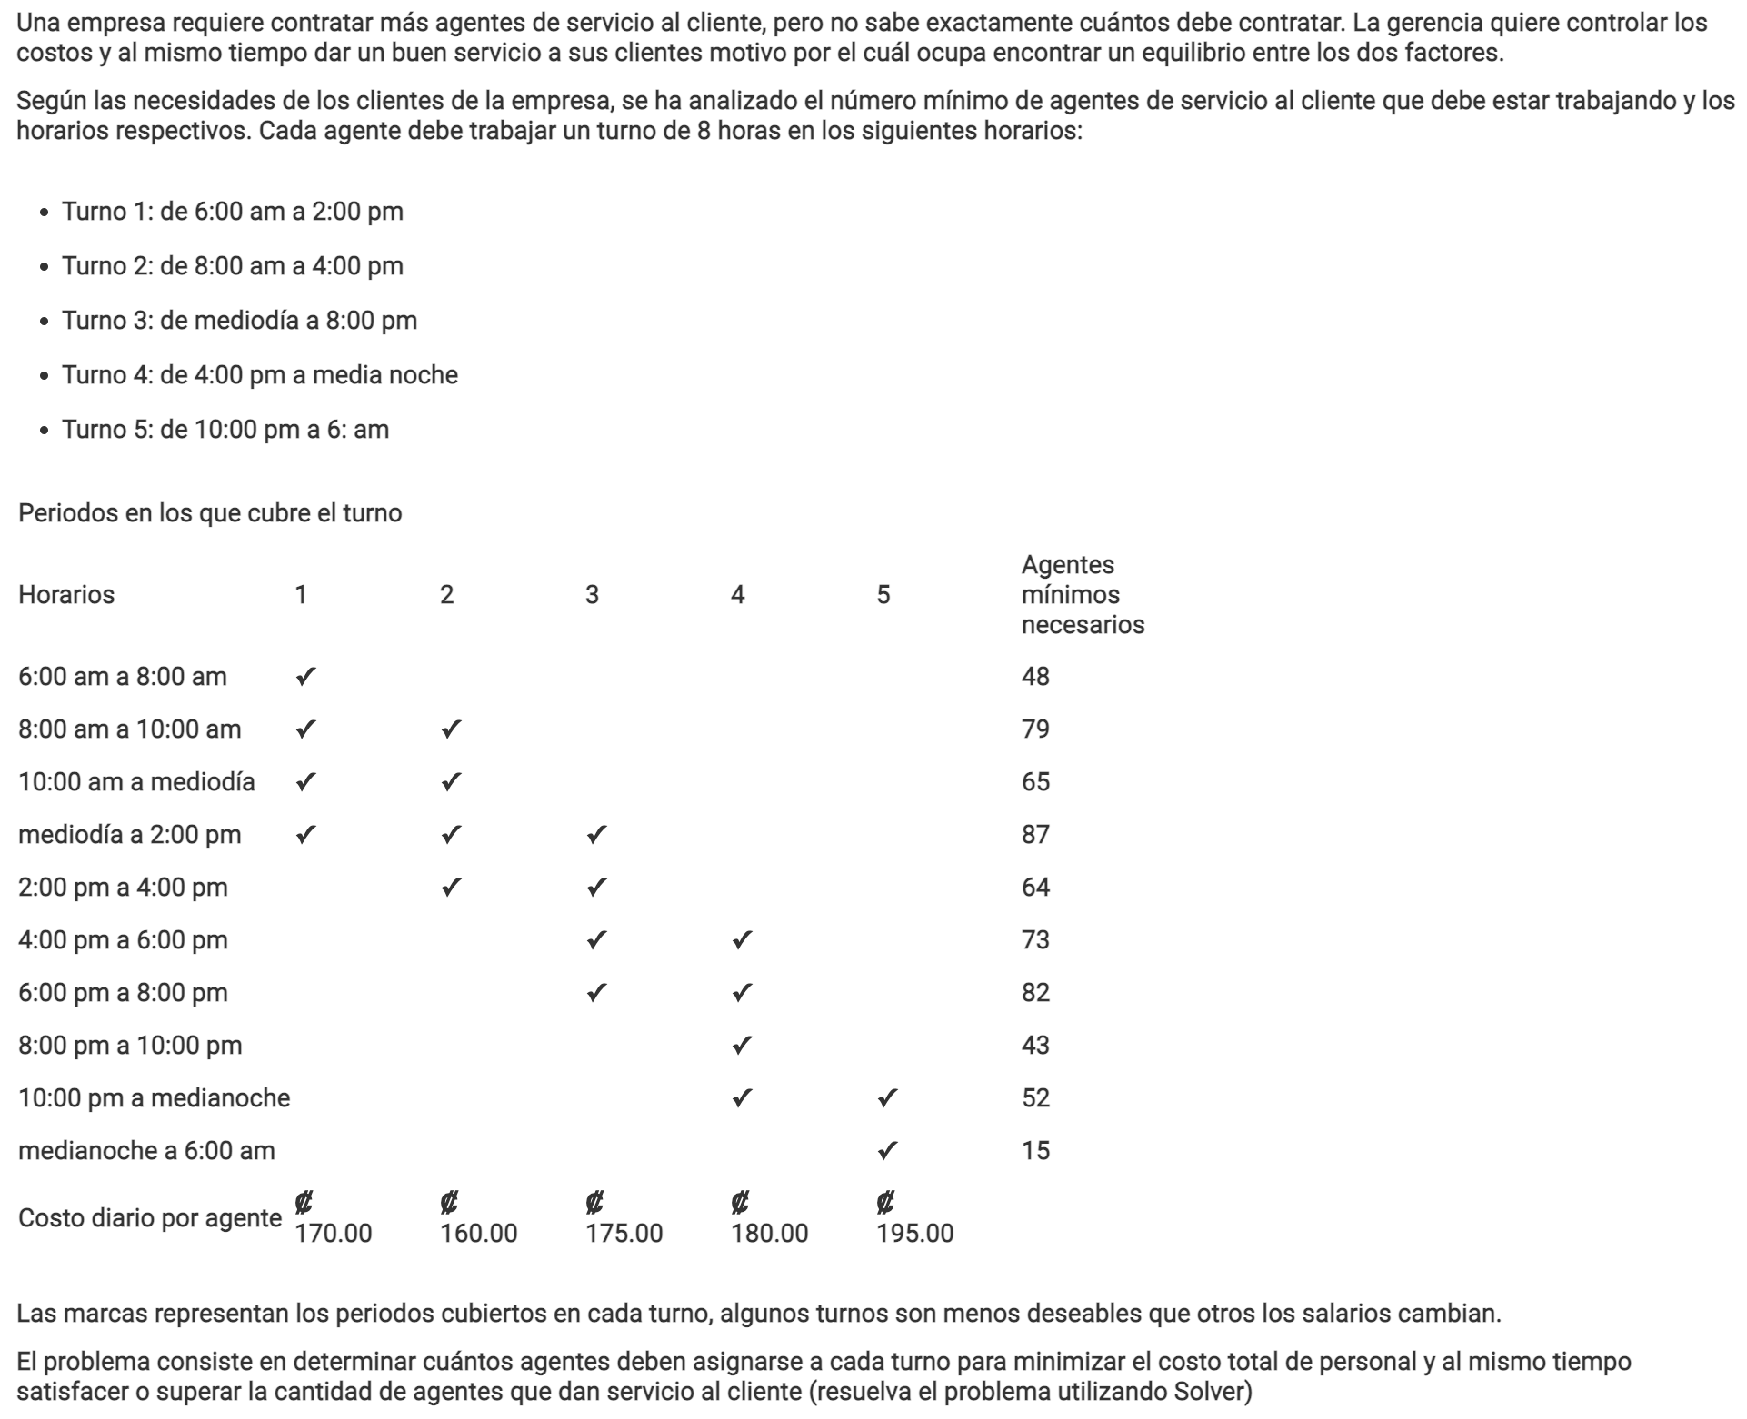
Variables | Turno 1 | Turno 2 | Turno 3 | Turno 4 | Turno 5 | Costo mínimo
Cantidad de ajentes | 48 | 31 | 39 | 43 | 15
Función objetivo | ₡170,000.00 | ₡160,000.00 | ₡175,000.00 | ₡180,000.00 | ₡195,000.00 | ₡30,610,000.00

Limitaciones |  |  |  |  |  | LHS |  | RHS
6:00am a 8:00am | 1 |  |  |  |  | 48 | >= | 48
8:00am a 10:00am | 1 | 1 |  |  |  | 79 | >= | 79
10:00am a medio día | 1 | 1 |  |  |  | 79 | >= | 65
mediodía a 2:00pm | 1 | 1 | 1 |  |  | 118 | >= | 87
2:00pm a 4:00pm |  | 1 | 1 |  |  | 70 | >= | 64
4:00pm a 6:00pm |  |  | 1 | 1 |  | 82 | >= | 73
6:00pm a 8:00pm |  |  | 1 | 1 |  | 82 | >= | 82
8:00pm a 10:00pm |  |  |  | 1 |  | 43 | >= | 43
10:00pm a medianoche |  |  |  | 1 | 1 | 58 | >= | 52
medianoche a 6:00am |  |  |  |  | 1 | 15 | >= | 15

